Installed capacity
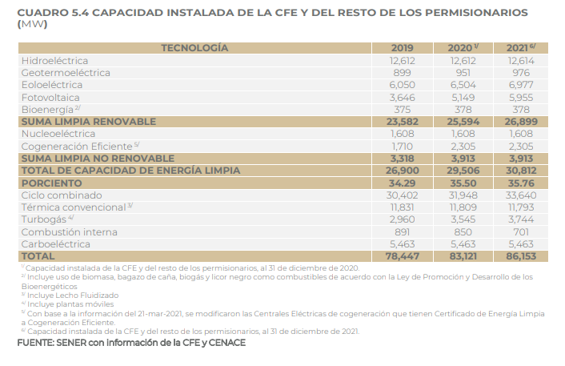

hard coal | 5,463
natural gas nonpeaker | 30,402
nuclear | 1,608
hydro | 12,612
onshore wind | 6,050
solar PV | 3,646
solar thermal | 0
biomass | 821
geothermal | 899
petroleum | 0
natural gas peaker | 3,406
lignite | 0
offshore wind | 0
crude oil | 0
heavy or residual fuel oil | 12,686
municipal solid waste | 0
 | 77,592

